18
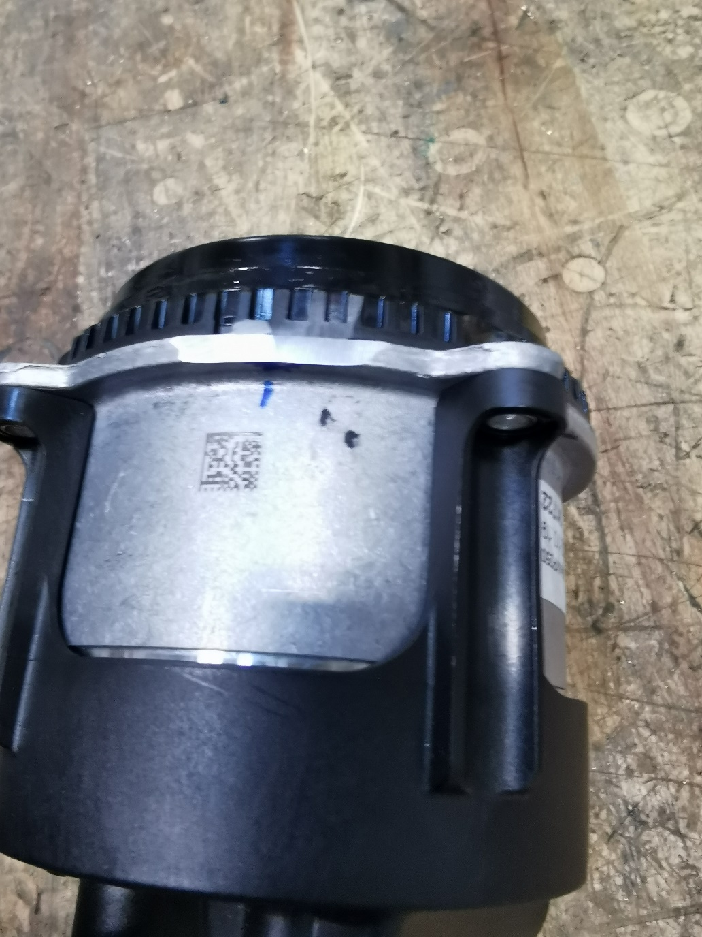
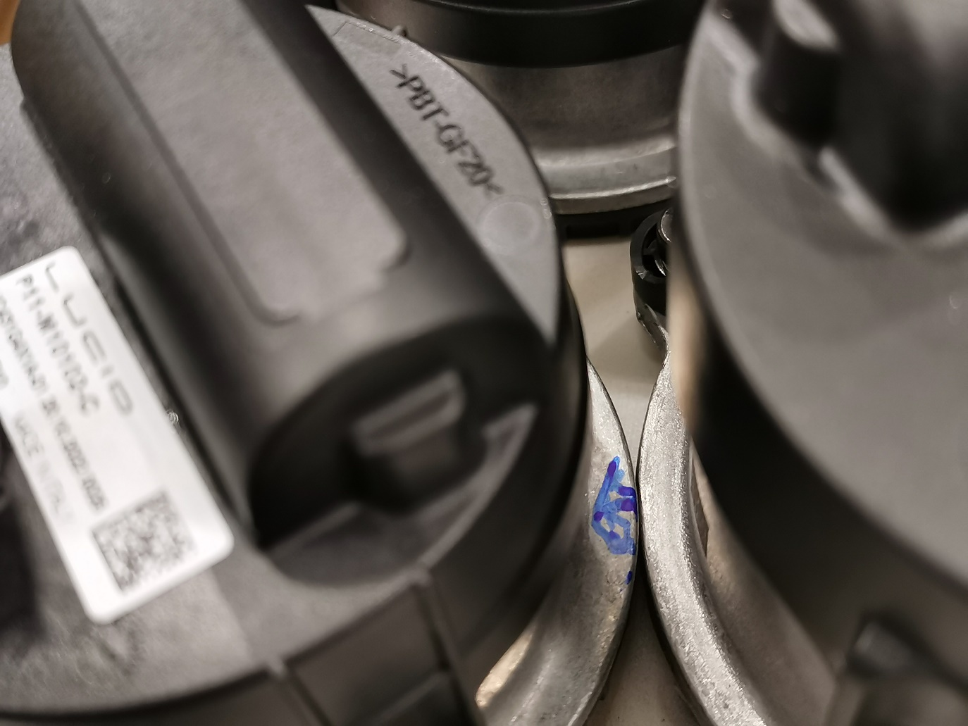
Module ID | BMW Pump Assembly |  | Lucid Pump Assembly |  | Lucid Pump Assembly |  | 3 Isolators Installed in Correct Direction? | Comments
 | O-Ring installed with P80? | Screws Torque (2.2±0.2Nm) | O-Ring installed with P80? | Screws Torque (2.2±0.2Nm) | O-Ring installed with P80? | Screws Torque (2.2±0.2Nm)
S001 | Y | 2.2 | Y | 2.2 | Y | 2.2 | Y | BMW pump body was filed due to interference

16
Module ID | Manifold Material | BMW Pump Assembly |  |  |  | Lucid Pump 1 Assembly |  |  |  |  | Lucid Pump 1 Assembly |  |  |  |  | 3 Isolators Installed in Correct Direction? | Comments
 |  | Impeller Axial Clearance (0.4) | Thrust Washer Adjustment | O-Ring installed with P80? | Screws Torque (2.2±0.2Nm) | ID # | Thrust Washer Installation Height (17.38±0.1) | Thrust Washer Installation Force (kN) | O-Ring installed with P80? | Screws Torque (2.2±0.2Nm) | ID # | Thrust Washer Installation Height (17.38±0.1) | Thrust Washer Installation Force (kN) | O-Ring installed with P80? | Screws Torque (2.2±0.2Nm)
S005 | PA 12 40% Glass Filled | NA | NA | Y (New) | 2 ~ 2.5 | 0016 | NA | NA | Y (Old) | 2 ~ 2.5 | 0026 | NA | NA | Y (Old) | 2 ~ 2.5 | Y | 2 Lucid Pumps are from RP#1
S006 | PA 12 40% Glass Filled | 0.37mm | 1.5kN | Y (New) | 2 ~ 2.5 | 7286 | 17.33 | 0.28 | Y (New) | 2 ~ 2.5 | 4232 | 17.40 | 0.28 | Y (New) | 2 ~ 2.5 | Y | Re-built with Thrust Washers to Lucid Pumps

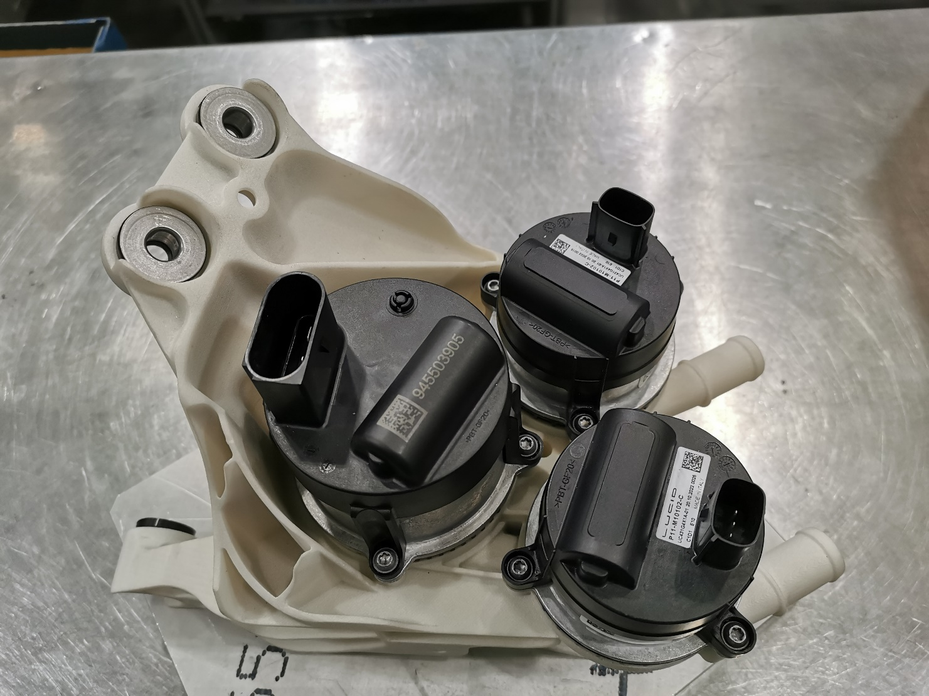

 |  |  |  |  |  |  |  |  |  | ~ |  |  |  |  | ~

15
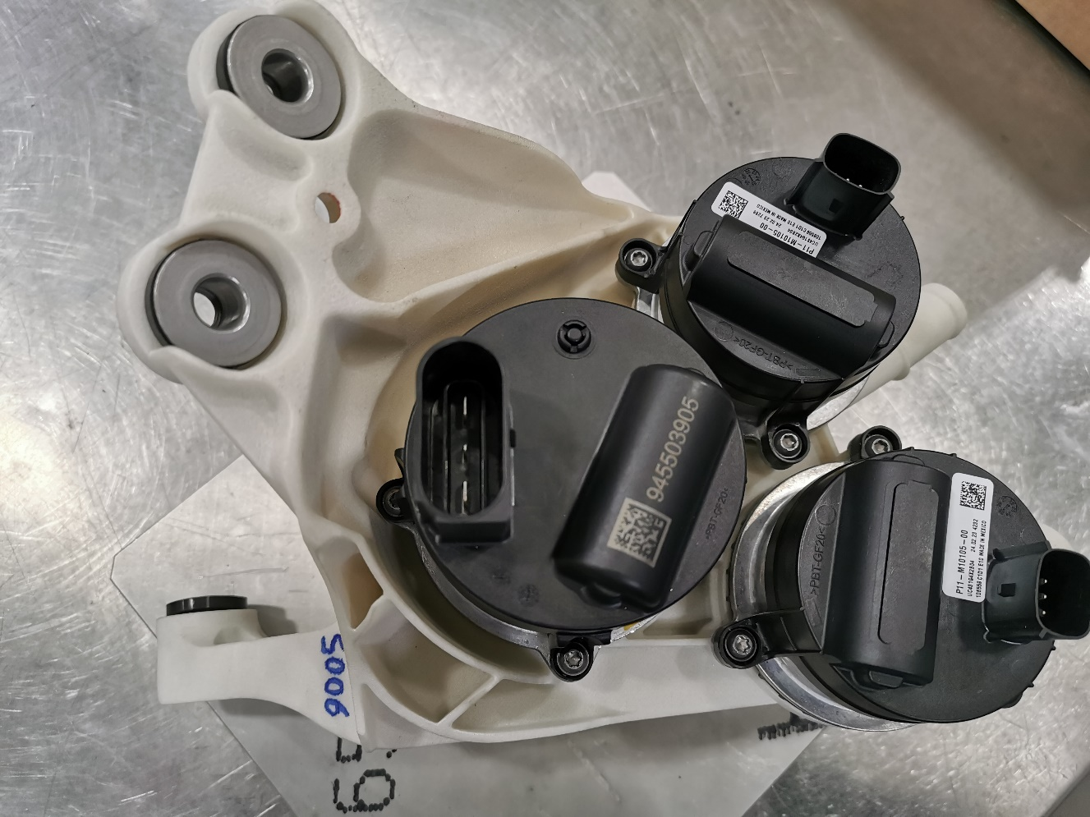
Module ID | Manifold Material | BMW Pump Assembly |  |  |  | Lucid Pump 1 Assembly |  |  |  |  | Lucid Pump 1 Assembly |  |  |  |  | 3 Isolators Installed in Correct Direction? | Comments
 |  | Impeller Axial Clearance (0.4mm) | Thrust Washer Adjustment Force (kN) | O-Ring installed with P80? | Screws Torque (2.2±0.2Nm) | ID # | Thrust Washer Installation Height (17.38±0.1) | Thrust Washer Installation Force (kN) | O-Ring installed with P80? | Screws Torque (2.2±0.2Nm) | ID # | Thrust Washer Installation Height (17.38±0.1) | Thrust Washer Installation Force (kN) | O-Ring installed with P80? | Screws Torque (2.2±0.2Nm)
S006 | PA 12 40% Glass Filled | 0.37 | 1.5 | Y (New) | 2 ~ 2.5 | 7286 | 17.33 | 0.28 | Y (New) | 2 ~ 2.5 | 4232 | 17.40 | 0.28 | Y (New) | 2 ~ 2.5 | Y | Re-built with Thrust Washers to Lucid Pump Shafts

11
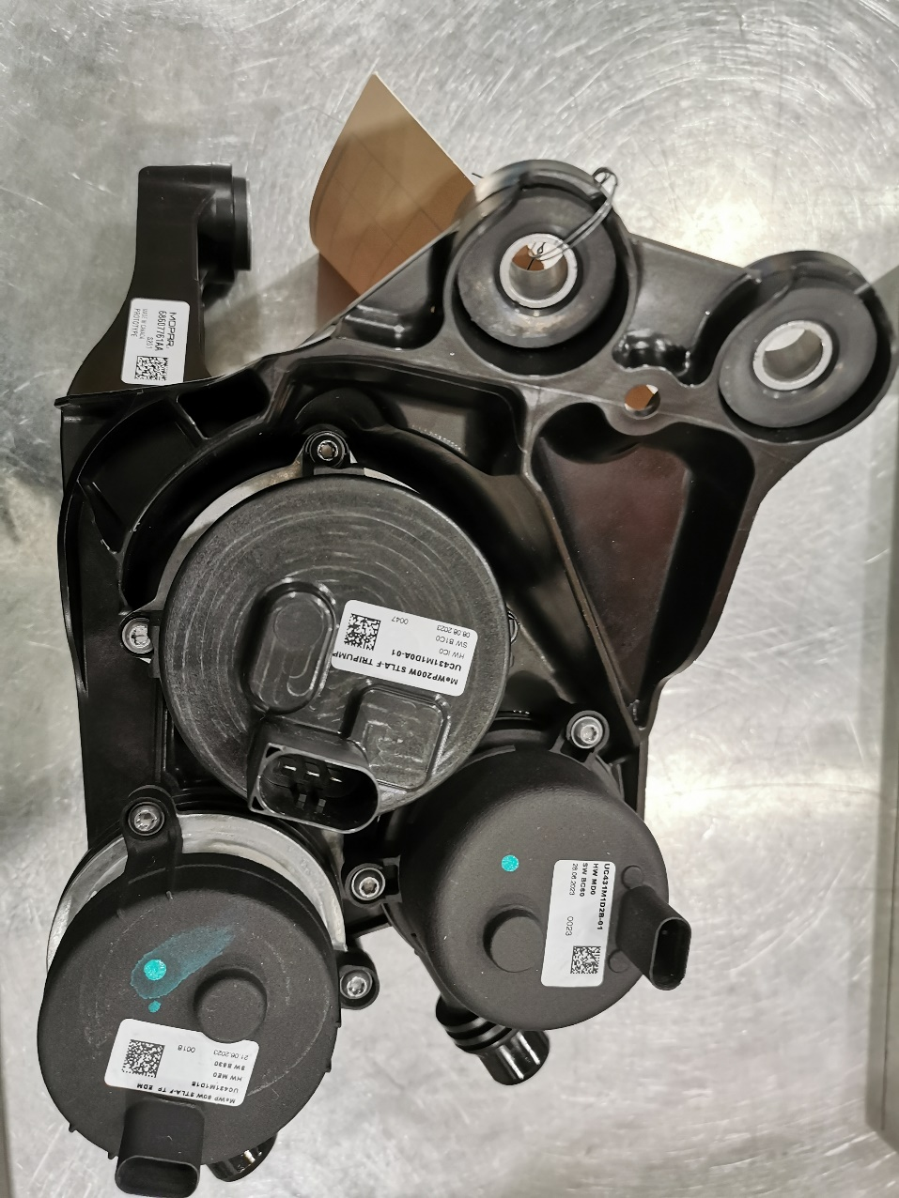
TR #: | CC23.17608 |  |  |  |  | Date: | 28-Aug-23
Program: | Stellantis Coolant Control Module |  |  |  |  | Technician: |  | PN/KG(manifold measurement)
Manifold ID | MeWP200 |  |  |  |  |  |  |  |  | MeWP80 (EDM) |  |  |  |  |  |  |  |  | MeWP80 (BCP) |  |  |  |  |  |  |  |  | 3 Isolators Installed in Correct Direction? | Leak Test at 1.4bar & 192cc Volume (<0.5cc/min) | Label Applied ?
 | ID # | Dist. 1 | Dist. 3 (18.17 ±0.1) | Dist.4 (min) | Dist.4 (max) | Dist. 2 (0.4 ±0.25) | Dist.1+ 15.36-Dist4(max) (1.05±0.5) | O-Ring with P80? | Screws Torque (2.6±0.2Nm) @500rpm | ID # | Dist. 1 | Dist. 3 (17.38 ±0.1) Ref. | Dist.4 (min) | Dist.4 (max) | Dist. 2 (0.4 ±0.25) | Dist.1+ 15.371-Dist4(max) (0.99±0.5) | O-Ring with P80? | Screws Torque (2.6±0.2Nm) @500rpm | ID # | Dist. 1 | Dist. 3 (17.38±0.1) (Referance) | Dist.4 (min) | Dist.4 (max) | Dist. 2 (0.4±0.25) | Dist.1 +15.371 -Dist.4(max) (0.99±0.5) | O-Ring with P80? | Screws Torque (2.6±0.2Nm) @500rpm
S201 | MeWP200W STLA-F TRIPUMP0032 | 15.36 | 18.06 | 29.86 | 30.18 | 0.32 | 0.54 | Y | Y | 21.06.2023MeWP 80W STLA-F TP EDM 0018 | 11.37 | 17.43 | 25.84 | 26.26 | 0.42 | 0.48 | Y | Y | MeWP 80W STLA EVO BCP0023 | 11.12 | 17.51 | 26.04 | 26.47 | 0.43 | 0.02 | Y | Y | Y | 0.47 | Y
 | Note: "Dist. 1" measured by Karthik; out of spec value "0.02" in RED approved by Karthik via email; the step at BCP port in manifold was fixed by OG.
 | MeWP200W STLA-F TRIPUMP0047 | MeWP200 was moved to S120 for shipment on Sep. 18, 2023. New pump assembled on Sep. 19, 2023. |  |  |  |  |  |  |  |  |  |  |  |  |  |  |  |  |  |  |  |  | Leak re-test with new GEN pump |  |  |  |  |  | 0.46

9
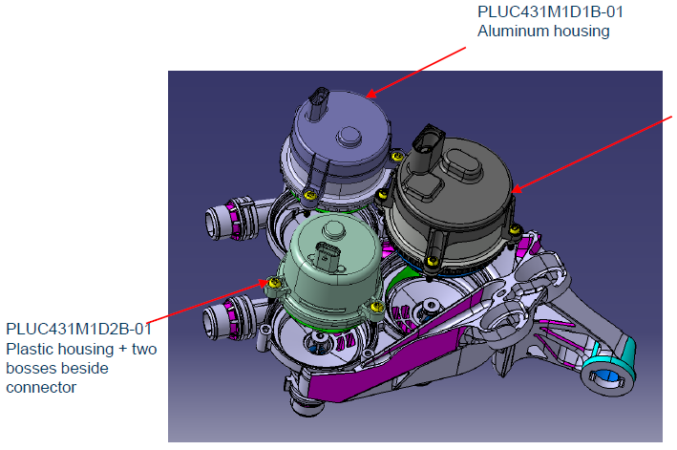
TR # |  | CC23.22947 |  |  | Date: |  | 2023-11-02
Program: |  | Stellantis Coolant Control Module |  |  | Technician: |  | JX
Manifold ID | Assembly ID | MeWP200 |  |  |  |  |  |  | MeWP80 (EDM) |  |  |  |  |  | MeWP80 (EVO) |  |  |  |  |  |  | 3 Isolators Installed in Correct Direction? | Leak Test at 1.4bar & 192cc Volume (<0.5cc/min) | Label Applied ?
 |  | ID # (PLUC431M1D0A-01) SW:B1C0 | O-ring installed? | Dist. 1 | Screws Torque (2.6±0.2Nm @ 500rpm) |  |  |  | ID # (UC431M1D1B-01) SW B530 Aluminum Housing | O-ring Installed? | Dist. 2 | Screws Torque (2.6±0.2Nm) |  |  | ID # (UC431M1D2B-01 SW BC60) Plastic Housing | O-ring Installed? | Dist. 3 | Screws Torque (2.6±0.2Nm)
1 | S202 | MeWP200W STLA-F TRIPUMP0051 | Y | -0.45 | 2.8/71° 2.58/64° 2.71/69° 2.62/79° |  |  |  | 09.08.2023MeWP 80W STLA-F TP EDM0043 | Y | -0.193 | 2.76/96° 2.86/33° 2.78/59° |  |  | MeWP 80W STLA EVO BCP0033 | Y | -0.091 | 2.63/50° 2.56/208° 2.62/64° |  |  |  | Y | 0.314 | Y
2 | S203 | MeWP200W STLA-F TRIPUMP0050 | Y | -0.40 | 2.67/72° | 2.7/70° | 2.69/70° | 2.71/82° | 09.08.2023MeWP 80W STLA-F TP EDM0042 | Y | -0.107 | 2.67/251° | 2.73/63° | 2.66/80° | MeWP 80W STLA EVO BCP0032 | Y | 0.034 | 2.61/57° | 2.56/64° |  | 2.64/258° | Y | 0.372 | Y
12 | S204 | MeWP200W STLA-F TRIPUMP0049 | Y | -0.36 | 2.77/49° | 2.64/53° | 2.65/50° | 2.63/66° | 09.08.2023MeWP 80W STLA-F TP EDM0041 | Y | -0.39 | 2.57/33° | 2.77/55° | 2.82/48° | MeWP 80W STLA EVO BCP0037 | Y | 0.01 | 2.58/59° | 2.55/204° |  | 2.55/60° | Y | 0.348 | Y
 |  | Pumps from S203 & S204 moved to S205 & S206 (Nov. 14, 2023, PN) |  |  |  |  |  |  |  |  |  |  |  |  | Pumps from S203 & S204 moved to S205 & S206 (Nov. 14, 2023, PN)
7 | S205 | MeWP200W STLA-F TRIPUMP0050 | Y | N/A | 2.8 | 2.71 | 2.73 | 2.8 | 09.08.2023MeWP 80W STLA-F TP EDM0042 | Y | N/A | 2.8 | 2.80 | 2.74 | MeWP 80W STLA EVO BCP0032 | Y | N/A | 2.57 | 2.54 | 2.59 |  | N | 0.351 | Y
19 | S206 | MeWP200W STLA-F TRIPUMP0049 | Y | N/A | 2.8 | 2.72 | 2.67 | 2.72 | 09.08.2023MeWP 80W STLA-F TP EDM0041 | Y | N/A | 2.8 | 2.80 | 2.78 | MeWP 80W STLA EVO BCP0037 | Y | N/A | 2.59 | 2.63 | 2.61 |  | N | 0.384 | Y

